BOM
 | Part Value Package Library Position (inch) Orientation
 | All |  | Order Quantity | Unit price | Extended price | Quantity needed | Cost per board set | Minimum order cost | Cost of components per set of boards | Cost of Medium Board manufacturing run | Total cost per set of boards
DIODE | U$3 DIODE_1206 DIDOE_1206 Gas_Sensor_Lib_v1 (0.49625 2.0875) R270 | https://www.digikey.com/product-detail/en/bourns-inc/CD1206-B2100/CD1206-B2100CT-ND/5774987 | 1000 | $0.18 | $183.86 | 3 | $0.55 | $7,355.56 | $26.67 | $13.21 | $39.88
 | U$17 DIODE_1206 DIDOE_1206 Gas_Sensor_Lib_v1 (0.15 0.65) R90
 | U$5 DIODE DIDOE_1206 Gas_Sensor_Lib_v1 (1.56 0.31) R0
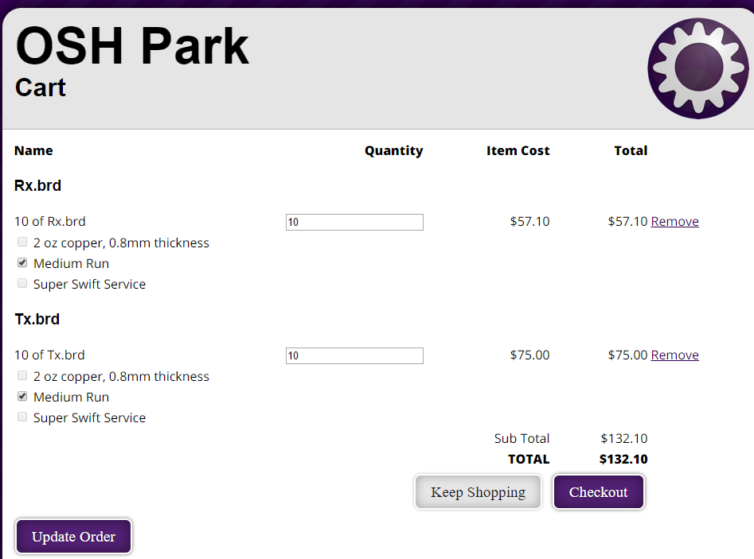
ZENER | U$28 DIODE_Z_3.3V SOD-323 Gas_Sensor_Lib_v1 (0.58875 1.55125) R0 | https://www.digikey.com/product-detail/en/on-semiconductor/MM3Z3V3ST1G/MM3Z3V3ST1GOSCT-ND/2705113 | 1000 | $0.03 | $29.97 | 1 | $0.03
 | U$20 15V_Z Z_1005 Gas_Sensor_Lib_v1 (0.36 0.635) R270 | https://www.digikey.com/product-detail/en/comchip-technology/CZRF52C15/641-1072-1-ND/1121194 | 1000 | $0.09 | $87.65 | 2 | $0.18
 | U$20 15V_Z Z_1005 Gas_Sensor_Lib_v1 (1.27 0.38) R270
LED | U$13 LED_12V LED_1206 Gas_Sensor_Lib_v1 (0.15 1) R90 | https://www.digikey.com/product-detail/en/lite-on-inc/LTST-C230KFKT/160-2025-1-ND/3711400 | 1000 | $0.06 | $60.23 | 6 | $0.36
 | U$19 OUT_LED LED_1206 Gas_Sensor_Lib_v1 (0.275 2.03125) R180
 | U$19 LED_GAS LED_1206 Gas_Sensor_Lib_v1 (1.08 0.72) R180
 | U$11 LED_5V LED_1206 Gas_Sensor_Lib_v1 (1.51 1.27) R90
 | U$25 LED_5V LED_1206 Gas_Sensor_Lib_v1 (0.73125 0.825) R180
 | U$1 LED_12V LED_1206 Gas_Sensor_Lib_v1 (1.7 0.13098425) R270
CAP | U$14 10uF C1206 Gas_Sensor_Lib_v1 (0.2825 0.4575) R0 | https://www.digikey.com/product-detail/en/samsung-electro-mechanics-america-inc/CL31B106MOHNNNE/1276-6641-1-ND/5961500 | 1000 | $0.03 | $27.15 | 2 | $0.05
 | U$2 10uF C1206 Gas_Sensor_Lib_v1 (0.74 0.47) R90
 | U$17 100nF C1206 Gas_Sensor_Lib_v1 (1.1 0.58) R180 | https://www.digikey.com/product-detail/en/samsung-electro-mechanics-america-inc/CL31B104KBCNNNC/1276-1017-1-ND/3889103 | 1000 | $0.02 | $17.33 | 2 | $0.03
 | U$18 100nF C1206 Gas_Sensor_Lib_v1 (0.74 0.66) R90
 | U$23 10uF 153CLV-0405 Gas_Sensor_Lib_v1 (0.7875 1.6375) R270 | https://www.digikey.com/product-detail/en/panasonic-electronic-components/EEE-1HA100SP/PCE3914CT-ND/766290 | 500 | $0.10 | $50.13 | 4 | $0.40
 | U$24 10uF 153CLV-0405 Gas_Sensor_Lib_v1 (0.55 1.3125) R90
 | U$9 10uF 153CLV-0405 Gas_Sensor_Lib_v1 (1.715 2.345) R0
 | U$10 10uF 153CLV-0405 Gas_Sensor_Lib_v1 (1.79 1.785) R180
 | U$24 1uF C1206 Gas_Sensor_Lib_v1 (0.98 1.3) R90 | https://www.digikey.com/product-detail/en/samsung-electro-mechanics-america-inc/CL31B105KAHNNNE/1276-1097-1-ND/3889183 | 1000 | $0.03 | $29.85 | 1 | $0.03
RES | U$16 5.1 R1206 Gas_Sensor_Lib_v1 (0.55 2.07) R270 | https://www.digikey.com/product-detail/en/yageo/RC1206JR-075R1L/311-5.1ERCT-ND/732251 | 2500 | $0.00 | $9.61 | 1 | $0.00
 | U$10 100 R1206 Gas_Sensor_Lib_v1 (0.8 2.60625) R0 | https://www.digikey.com/product-detail/en/yageo/RC1206FR-07100RL/311-100FRCT-ND/731438 | 2500 | $0.01 | $12.65 | 1 | $0.01
 | U$3 330 R1206 Gas_Sensor_Lib_v1 (1.45 0.48) R180 | https://www.digikey.com/product-detail/en/yageo/RC1206JR-07330RL/311-330ERCT-ND/732226 | 2500 | $0.00 | $9.61 | 2 | $0.01
 | U$15 330 R1206 Gas_Sensor_Lib_v1 (0.3575 0.9) R270
 | U$16 1K R1206 Gas_Sensor_Lib_v1 (0.15 1.21875) R270 | https://www.digikey.com/product-detail/en/yageo/RC1206FR-071KL/311-1.00KFRCT-ND/731334 | 2500 | $0.01 | $12.65 | 11 | $0.06
 | U$21 1K R1206 Gas_Sensor_Lib_v1 (0.1 2.0875) R270
 | U$26 1K R1206 Gas_Sensor_Lib_v1 (0.60625 0.69375) R90
 | U$4 1K R1206 Gas_Sensor_Lib_v1 (1.45125 0.1225) R0
 | U$12 1K R1206 Gas_Sensor_Lib_v1 (1.51 1.46) R270
 | U$15 1K R1206 Gas_Sensor_Lib_v1 (0.9 1.03) R90
 | U$21 1K R1206 Gas_Sensor_Lib_v1 (1.275 0.72) R180
 | U$23 1K R1206 Gas_Sensor_Lib_v1 (0.73 0.91) R90
 | U$25 1K R1206 Gas_Sensor_Lib_v1 (0.74 1.495) R270
 | U$27 1K R1206 Gas_Sensor_Lib_v1 (0.925 1.505) R180
 | U$6 1K R1206 Gas_Sensor_Lib_v1 (1.9025 2.51) R90
 | U$4 10K R1206 Gas_Sensor_Lib_v1 (1.345 2.72875) R180 | https://www.digikey.com/product-detail/en/yageo/RC1206JR-0710KL/311-10KERCT-ND/732156 | 2500 | $0.00 | $9.61 | 2 | $0.01
 | U$11 10K R1206 Gas_Sensor_Lib_v1 (1.7075 2) R180
 | U$5 100K R1206 Gas_Sensor_Lib_v1 (1.02625 2.7275) R0 | https://www.digikey.com/product-detail/en/yageo/RC1206FR-07100KL/311-100KFRCT-ND/731439 | 2500 | $0.01 | $12.65 | 3 | $0.02
 | U$7 100K R1206 Gas_Sensor_Lib_v1 (1.7375 2.50875) R90
 | U$22 100K R1206 Gas_Sensor_Lib_v1 (0.73 1.09) R180
CONN | U$8 POWER_CONN PC_1935161 Gas_Sensor_Lib_v1 (0.20625 1.64625) R270 | https://www.digikey.com/product-detail/en/phoenix-contact/1935161/277-1667-ND/568614 | 1000 | $0.27 | $272.00 | 3 | $0.82
 | U$18 5V-12V PC_1935161 Gas_Sensor_Lib_v1 (0.325 0.1975) R0
 | U$6 POWER_CONN PC_1935161 Gas_Sensor_Lib_v1 (0.84 0.2) R0
OTHER | U$8 5V_REG SOT223 Gas_Sensor_Lib_v1 (1.815 2.09) R270 | https://www.digikey.com/product-detail/en/on-semiconductor/NCP1117ST50T3G/NCP1117ST50T3GOSCT-ND/1967217 | 1000 | $0.19 | $194.93 | 2 | $0.39
 | U$22 5V_REG SOT223 Gas_Sensor_Lib_v1 (0.7875 1.2875) R180
 | U$29 ESP8266 ESP Gas_Sensor_Lib_v1 (2.475 0.96) R0 | https://www.amazon.com/Makerfocus-ESP8266-ESP-12E-Internet-Development/dp/B01IK9GEQG/ref=sr_1_5?s=electronics&ie=UTF8&qid=1495929026&sr=1-5&keywords=esp8266 | 2 | $8.00 | $15.99 | 2 | $15.99
 | U$9 ESP8266 ESP Gas_Sensor_Lib_v1 (1.44 0.98625) R0
 | U$32 SPDT SPDT Gas_Sensor_Lib_v1 (1.885 0.52) R90 | https://www.digikey.com/product-detail/en/te-connectivity-alcoswitch-switches/1825232-1/A107673-ND/4021554 | 5000 | $0.16 | $796.60 | 2 | $0.32
 | U$27 SPDT SPDT Gas_Sensor_Lib_v1 (0.83125 0.3625) R90
 | U$7 LM393 SO8 Gas_Sensor_Lib_v1 (1.21 1.06) R270 | https://www.digikey.com/product-detail/en/stmicroelectronics/LM393ADT/497-4267-1-ND/725548 | 1000 | $0.11 | $109.39 | 1 | $0.11
 | U$13 MQ MQ_GAS Gas_Sensor_Lib_v1 (1.14870079 2.03740157) R180 | https://www.digikey.com/product-detail/en/sparkfun-electronics/SEN-09404/1568-1412-ND/6161754 | 1 | $4.95 | $4.95 | 1 | $4.95
 | U$14 PNP SOT23 Gas_Sensor_Lib_v1 (0.74 1.23) R0 | https://www.digikey.com/product-detail/en/on-semiconductor/MMBT3906LT1G/MMBT3906LT1GOSCT-ND/1139817 | 1000 | $0.02 | $23.89 | 1 | $0.02
 | U$30 POTENTIOMETER POTENTIOMETER Gas_Sensor_Lib_v1 (0.23 1.24) R90 | https://www.digikey.com/product-detail/en/tt-electronics-bi/PS45M-0MC2BR10K/987-1406-ND/2620675 | 5000 | $0.67 | $3,344.00 | 1 | $0.67
 | U$31 HEAT_SINK THERMAL Gas_Sensor_Lib_v1 (2.47 2.195) R0 | https://www.digikey.com/product-detail/en/assmann-wsw-components/V-1100-SMD-B-L/AE10775-ND/3511509 | 1000 | $0.32 | $322.19 | 1 | $0.32
 | U$1 NMOS SOT23 Gas_Sensor_Lib_v1 (1.695 2.73) R90 | https://www.digikey.com/product-detail/en/toshiba-semiconductor-and-storage/T2N7002AK,LM/T2N7002AKLMCT-ND/5298039 | 1000 | $0.03 | $32.45 | 1 | $0.03
 | U$2 PMOS D-PAK_TO252AA Gas_Sensor_Lib_v1 (1.17 2.37) R270 | https://www.digikey.com/product-detail/en/infineon-technologies/IRF9540NSTRLPBF/IRF9540NSTRLPBFCT-ND/2441036 | 100 | $1.00 | $99.97 | 1 | $1.00
 | U$12 BUTTON BUTTON Gas_Sensor_Lib_v1 (0.36875 2.56125) R90 | https://www.digikey.com/product-detail/en/e-switch/KS-01Q-02/EG4792-ND/2116271 | 5000 | $0.32 | $1,586.25 | 1 | $0.32

 | OLD---------------------------
 | DC power jack

 | Edge wire connectors

 |  | https://www.google.com/search?q=2.1mm+dc+jack&rlz=1C1CHZL_enUS721US721&oq=2.1mm+dc+jack&aqs=chrome.0.0l6.4689j0j7&sourceid=chrome&ie=UTF-8
 |  | https://www.digikey.com/product-detail/en/PJ-202A/CP-202A-ND/252007?WT.mc_id=IQ_7595_G_pla252007&wt.srch=1&wt.medium=cpc&WT.srch=1&gclid=CI-VyP3U19MCFUZrfgod3AcG-g
 | Rx | https://www.digikey.com/products/en/connectors-interconnects/terminal-blocks-wire-to-board/371
 |  | https://www.digikey.com/product-detail/en/on-shore-technology-inc/OSTTE030104/ED2741-ND/2351817

 | TX

